DFMEA Process
DFMEA stands for Design Failure Mode and Effect Analysis
It serves to review designs to identify what might go wrong, in which way would the failure manifest, and what would be the consequences of those failures.

STEP 1: REVIEW THE DESIGN | Columns A-D
Multi-disciplinary team identifies every system, subsystem, interface, and component.

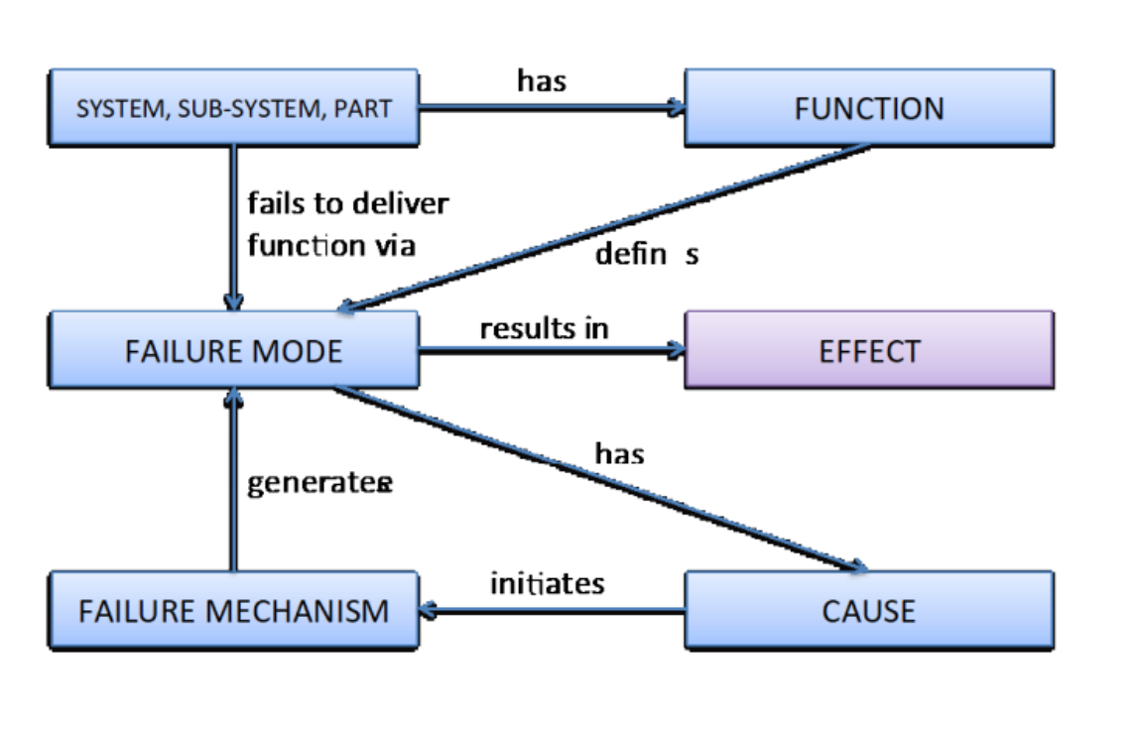
STEP 2: IDENTIFY FAILURE MODES | Columns E-F
Once systems/components are decoupled, the next step is to thoroughly assess each to determine all the possible ways they can fail.

STEP 3: DEFINE THE CAUSE/MECHANISMS OF FAILURE | Column G
Conciseness and completeness are the keywords at this stage. You don’t want to get lost in long descriptions where it takes a lot of time to understand what the causes or mechanisms are. Every cause or mechanism you can think of should be listed, but staying focused with pertinent ones will ensure you don’t go off track.

STEP 4: LIST THE POTENTIAL EFFECTS OF EACH FAILURE MODE | Columns H-I
Functional effects - individual functions that are affected
Effects on system operation - what would be the effect on the entire system? How would the operation or output of the system change?

STEP 5: IDENTIFY THE RESULTING HARM | Column J-K
What would be the resulting impact, and to whom would it occur? - this should be evaluated in the context of customer use
Could be bodily harm, environmental harm, delayed procedure, etc..
Add new Harms in Column J to Clinical Harm Table

STEP 6: ASSIGN RISK HAZARD INDEX | Columns L-O
Severity of effect & Probability of occurrence = Risk Hazard Index (Severity-Occurence Table)

STEP 7: ANALYSIS OF RISK CONTROL OPTIONS | Columns O-Q
Inherent safety by design: how will the device be designed to avoid the hazardous situation? - this should always be the first choice to deal with a risk
What design decisions mitigate the likelihood of occurrence? - second choice
Evidence of implementation - should point to a design or requirements document that includes the above design controls

STEP 8: ASSIGN (POST MITIGATED) RISK HAZARD INDEX | Columns R-T

STEP 9: EVIDENCE OF MITIGATION EFFECTIVENESS | Column U
Usually done by Quality Assurance / V&V

STEP 10: IDENTIFY ANY ADDITIONAL RISKS ARISING FROM CONTROL MEASURES
Did our risk control measures cause a resulting additional risk

STEP 11: IDENTIFY ANY ADDITIONAL RISK CONTROL MEASURES (SAFETY INFORMATION

Intended UseMisuse Process
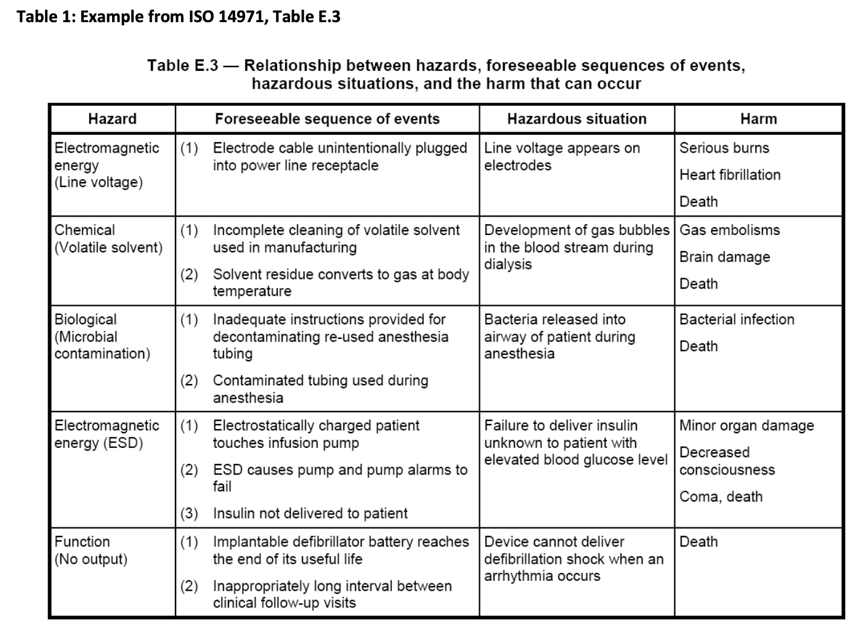
Walk through all the steps required for use of the product. For each step:
STEP 1: IDENTIFY POTENTIAL HARMS (HAZARDS) that could arise from: | COLUMN A
1) Intended use - “use for which a product, process or service is intended according to the specifications, instructions and information provided by the manufacturer”
2) Use error - unintentional mistakes that can happen during use
3) Abnormal use - intentional acts of misuse, such as not following directions, and/or using the medical device for a different off-label purpose

Some examples of hazards (potential harms):
Electromagnetic Energy
- Line Voltage
- Leakage Current
- Electric Fields
- Ionizing Radiation
Thermal Energy
Mechanical Energy
- Gravity
- Vibration
Biological
- Bacteria
- Viruses
Chemical
Function
Operational

REMEMBER: Hazards (potential harms) can affect people, property, OR environment
Steps to use the product can be found in the Operator Manual

STEP 2: LIST THE SEQUENCE OF EVENTS | COLUMNS B-D
What sequence of events would lead to the circumstances where the hazard could take place?
Note if these events would occur in a specific operating mode (column C) and whether the events fall under: intended use, use error, or abnormal use (column D)

STEP 3: WHAT IS THE HAZARDOUS SITUATION | COLUMN E
The circumstances where the hazard could take place

STEP 4: WHAT IS THE HARM THAT COULD OCCUR? | COLUMN F

STEP 5: TO WHOM COULD THE HARM OCCUR? | COLUMN G

STEP 6: ASSIGN RISK HAZARD INDEX | Columns H-J
Severity of effect & Probability of occurrence = Risk Hazard Index (Severity-Occurence Table)

STEP 7: ANALYSIS OF RISK CONTROL OPTIONS | Columns K-M
Inherent safety by design: how will the device be designed to avoid the hazardous situation? - first choice
What design decisions mitigate the likelihood of occurrence? - second choice
Evidence of implementation - should point to a design or requirements document that includes the above design controls

STEP 8: ASSIGN (POST MITIGATED) RISK HAZARD INDEX | Columns N-P

STEP 9: EVIDENCE OF MITIGATION EFFECTIVENESS | Column Q
Usually done by Quality Assurance / V&V

STEP 10: IDENTIFY ANY ADDITIONAL RISKS ARISING FROM CONTROL MEASURES
Did our risk control measures cause a resulting additional risk

STEP 11: IDENTIFY ANY ADDITIONAL RISK CONTROL MEASURES (SAFETY INFORMATION)

